Scenario 3 Information
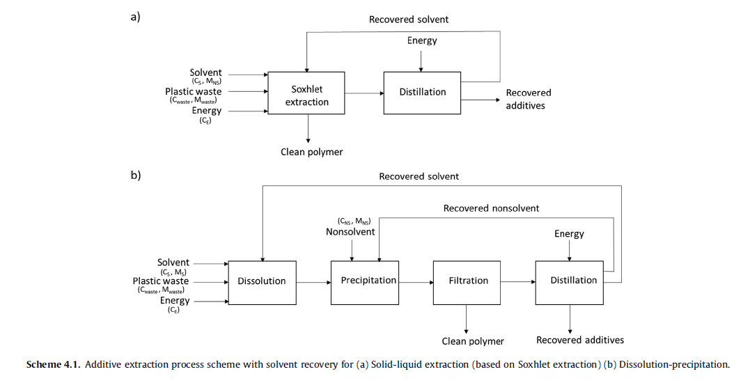
Scenario 3
This hypothetical scenario examines the effects of implementing an extraction technique post-mechanical recycling on global warming potentials, additive release into the environment, and energy footprint. Mechanical recycling remains as the primary chosen method for recycling municipal plastic waste. Chemical recycling is excluded from consideration. Additive extraction is promising when performed as a solid-liquid extraction with dissolution-precipitation (Ugduler et al. 2020). The success rate of these methods are highly dependent on the additives, plastics, and extraction conditions.

Extraction types that may be present: Shake-flask extraction (PE, PP, LDPE), Solxhlet extraction (PP, Polyolefin, PE, PET, PS, PUR foam), Ultrasonic extraction (HDPE, LDPE, PP, HIPS, Polyolefin, PVC, Styrene butadiene rubber), Microwave assisted extraction (PP, PE, PS, HDPE, LDPE, HIPS, PET, PVC), Supercritical fluid extraction (PP, PUR foams, PE, PET, Nylon, HDPE, LDPE, PVC), Accelerated solvent extraction (PE, PP, PVC, HIPS, HDPE), Dissolution-precipitation (PP, PE, HIPS, PET, Polyolefins, HDPE, Blend of PC, ABS, and PMMA, LDPE, PVC)

The authors concluded that dissolution-precipitation is preferable when it comes to a broad range of additives. The polymers do not need to be milled. Pilot-scale dissolution-precipitation has already been practiced in CreaSolv(R) and Newwcycling(R) Process. However, additives may degrade because of the high temperature operation. For the purpose of this scenario, additive degradation is not important because the extracted chemicals are present as a mixture in small quantities. The separation and purification of the individual additive components are not expected to be economically viable. Therefore, the extracted additives are treated as process waste.

Dissolution-precipitation showed that CO2 savings equates to 65-75 wt%, as opposed to incineration and landfilling because there is no chemical bond destruction. Therefore, the global warming potential for this process has been estimated to be approximately 30% of the incineration of the individual plastics. This LCA assumed that 1 tons of plastic waste yields 710 kg of plastic products (78% efficiency). Energy footprint was estimated from Table S11 of Vollmer et al. 2020. They correlated carbon content to the the energy required to perform dissolution-precipitation of various polymer types. All the polymer types present in Table S11 covers most of the recycled plastics reported in 2018 by the US EPA.

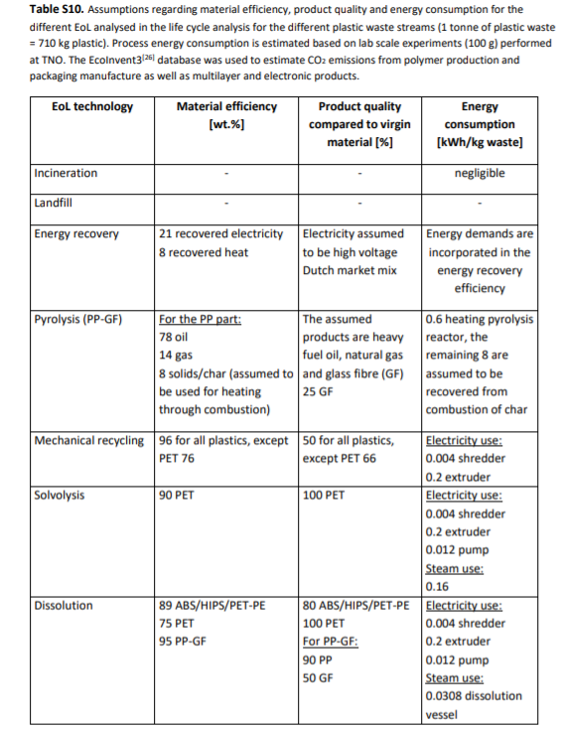

 | Stream 28-E (Extracted) and Stream 28-W (Waste Additives) have been added

 | Ügdüler, K. M. Van Geem, M. Roosen, E. I. P. Delbeke, and S. De Meester, “Challenges and opportunities of solvent-based additive extraction methods for plastic recycling,” Waste Management, p. 35, 2020.

LCA Information from a review (Vollmer) | I. Vollmer et al., “Beyond Mechanical Recycling: Giving New Life to Plastic Waste,” Angew. Chem. Int. Ed., vol. 59, no. 36, pp. 15402–15423, Sep. 2020, doi: 10.1002/anie.201915651.
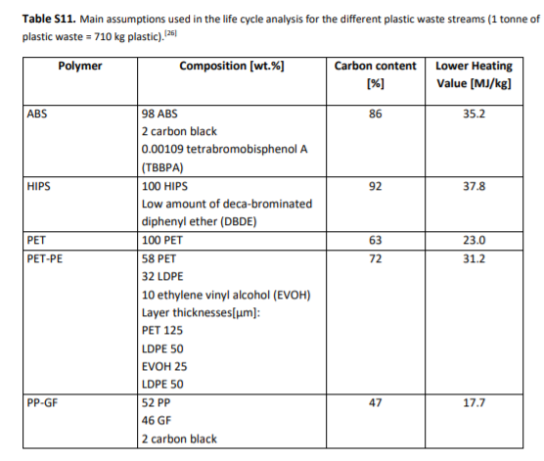

 |  | Carbon Content | Heating Value (MJ/kg)
 |  | 86 | 35.2
 |  | 92 | 37.8
 |  | 63 | 23
 |  | 72 | 31.2
 |  | 47 | 17.7

 | Carbon Content of Common Plastics can also be seen at

 | C. Smeaton, “Augmentation of global marine sedimentary carbon storage in the age of plastic,” Limnol Oceanogr, vol. 6, no. 3, pp. 113–118, Jun. 2021, doi: 10.1002/lol2.10187.

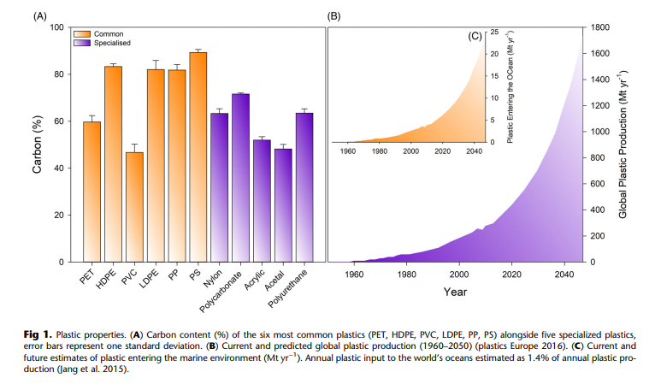
 | By using the approximate carbon content, we can approximate the Energy Footprint based on the Curve above |  |  | Type | Carbon Content (%) | Energy Footprint (MJ/kg)
 |  |  |  | PET | 63 | 24.8
 |  |  |  | HDPE | 83 | 34.0
 |  |  |  | PVC | 46 | 17.0
 |  |  |  | LDPE | 81 | 33.1
 |  |  |  | PLA | 49 | 18.4 | Source: C. K. Chomnutcha Boonmee, “Degradation of Poly(lactic acid) under Simulated Landfill Conditions,” Environment and Natural Resources Journal, vol. 14, p. 2, 2016, doi: 10.14456/ENNRJ.2016.8.
 |  |  |  | PP | 81 | 33.1
 |  |  |  | PS | 90 | 37.3
 |  |  |  | Other | 60.2 | 23.5 | (Average of Nylon, PC, Acrylic, Acetal, Polyurethane)

Stream 19 - Contamination
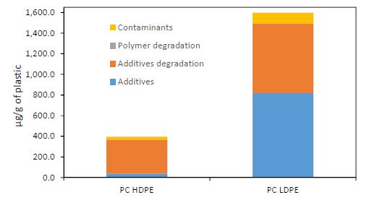
Chemicals found in PC plastic | PC HDPE Concentration (Approx μg/g) | % in PC HDPE | PC LDPE Concentration (Approx μg/g) | % in PC LDPE
Contaminants | 30 | 0.003 | 100 | 0.01
Polymer degradation products | 0 | 0 | 0 | 0
Additive degradation products | 330 | 0.033 | 700 | 0.07
Additives | 30 | 0.003 | 800 | 0.08

Chemicals found in PC plastic | Typical % | Average %
Contaminants | 0.003 - 0.01 | 0.0065
Polymer degradation products | 0 | 0
Additive degradation products | 0.033 - 0.07 | 0.0515
Additives | 0.003 - 0.08 | 0.0415

Stream 19 Additive Contamination Calculation | Stream 16 | Stream 16 Composition | Stream 19 (Assuming constant ratio lost)
Plasticizer | 50,266 | 0.3149 | 17874 |  | O. Horodytska, A. Cabanes, and A. Fullana, “Non-intentionally added substances (NIAS) in recycled plastics,” Chemosphere, vol. 251, p. 126373, Jul. 2020, doi: 10.1016/j.chemosphere.2020.126373.
Flame Retardant | 9,510 | 0.0596 | 3382
UV/Heat Stabilizer | 11,964 | 0.0750 | 4254
Antioxidant | 4,778 | 0.0299 | 1699
Slip Agents | 702 | 0.0044 | 250
Lubricants | 503 | 0.0031 | 179
Antistatics | 924 | 0.0058 | 328
Curing Agents | 503 | 0.0031 | 179
Blowing Agents | 2,513 | 0.0157 | 894
Biocides | 5 | 0.0000 | 2
Colorant | 2,332 | 0.0146 | 829
Organic Pigment | 14 | 0.0001 | 5
Clarifier/Toner | 141 | 0.0009 | 50
Inorganic Pigments | 50 | 0.0003 | 18
Fillers | 5 | 0.0000 | 2
Reinforcement | 75,399 | 0.4724 | 26811
Total Additive | 159,607 | 1 | 56,755

Stream 24 - Incineration
Mass Basis | 5630312.4205 | unit mass

Name | Fraction | Calculated Mass (tons) |  | Common Additives | Composition Range |  |  |  | Summation Values
PET | 0.134 | 755076 |  |  | Low | High | Avg | Plasticizer | 68611.890488
HDPE | 0.176 | 989528 |  | Plasticizer | 0.1 | 0.7 | 0.4 | Flame Retardant | 35586.815461
PVC | 0.026 | 144809 |  | Flame Retardant | 0.007 | 0.25 | 0.1285 | UV/Heat Stabilizer | 44792.531421
LDPE/LLDPE | 0.252 | 1417060 |  | UV/Heat Stabilizer | 0.005 | 0.03 | 0.0175 | Antioxidant | 24376.184209
PLA | 0.003 | 15515 |  | Antioxidant | 0.005 | 0.03 | 0.0175 | Slip Agents | 3870.1933203
PP | 0.248 | 1396373 |  | Slip Agents | 0.001 | 0.03 | 0.0155 | Lubricants | 670.60365327
PS | 0.069 | 386157 |  | Lubricants | 0.001 | 0.03 | 0.0155 | Antistatics | 1667.0275905
Other Resin | 0.093 | 525795 |  | Antistatics | 0.001 | 0.01 | 0.0055 | Curing Agents | 525.79463816
 | 1.000 | The above are bulk mass, additve is lumped in) |  | Curing Agents | 0.001 | 0.02 | 0.0105 | Blowing Agents | 2628.9731908
 |  |  |  | Blowing Agents | 0.005 | 0.205 | 0.105 | Biocides | 5.4130988978
Polyethylene Terephthalate (PET) |  |  |  | Biocides | 0.00001 | 0.01 | 0.005005 | Colorant | 8697.1604903
Common Additives | Calculated Additve Mass in PET (tons) |  |  | Colorant | 0.0025 | 0.05 | 0.02625 | Organic Pigment | 56.147971689
 | Low | High | Avg | Organic Pigment | 0.00001 | 0.025 | 0.012505 | Clarifier/Toner | 401.58642938
Polymer | 745138.78413 | 517075.75632 | 631107.27022 | Clarifier/Toner | 0.00015 | 0.0002 | 0.000175 | Inorganic Pigments | 52.579463816
UV Stabilizer | 3775.3778937 | 22652.267362 | 13213.822628 | Inorganic Pigments | 0.0001 | 0.1 | 0.05005 | Fillers | 5.4130988978
Flame Retardant | 5285.5290512 | 188768.89469 | 97027.211868 | Fillers | 0.00001 | 0.5 | 0.250005 | Reinforcement | 81196.483467
Antistatic | 755.07557874 | 7550.7557874 | 4152.9156831 | Reinforcement | 0.15 | 0.3 | 0.225
Clarifier/Toner | 113.26133681 | 151.01511575 | 132.13822628 |  |  |  |  |  |  | Source: https://archive.epa.gov/epawaste/conserve/tools/warm/pdfs/Plastics.pdf |  |  | Source: S. Devasahayam, G. Bhaskar Raju, and C. Mustansar Hussain, “Utilization and recycling of end of life plastics for sustainable and clean industrial processes including the iron and steel industry,” Materials Science for Energy Technologies, vol. 2, no. 3, pp. 634–646, Dec. 2019, doi: 10.1016/j.mset.2019.08.002.
Organic Pigment | 7.5507557874 | 18876.889469 | 9442.2201122 |  |  |  |  | Plastic (Bulk) for Incineration |  | Emission Factor (MT CO2-e/tons) | Emissions (MT CO2-e) | Emissions (tons CO2-e) | Energy In Feedstock (MJ/kg) | Energy Footprint (MJ)
 |  |  |  | Low Density Polyethylene (LDPE) |  |  |  | PET | 755076 | 1.24 | 936293.71764 | 1032085.9279 | 40 | 27,399,754,288
High Density Polyethylene (HDPE) |  |  |  | Common Additives | Calculated Additve Mass in LDPE (tons) |  |  | HDPE | 989528 | 1.27 | 1256700.9027 | 1385273.9721 | 54.3 | 48,744,350,549
Common Additives | Calculated Additve Mass in HDPE (tons) |  |  |  | Low | High | Avg | PVC | 144809 | 0.67 | 97022.040118 | 106948.36504 | 28.1 | 3,691,460,047
 | Low | High | Avg | Polymer | 1380910.4562 | 786468.10452 | 1083689.2803 | LDPE | 1417060 | 1.27 | 1799665.7527 | 1983789.5558 | 51.6 | 66,333,679,115
Polymer | 963295.87542 | 126725.12738 | 545010.5014 | Antioxidant | 7085.2982389 | 42511.789433 | 24798.543836 | PLA | 15515 | 1.25 | 19394.064522 | 21378.271264 | 35.6 | 501,077,698
Antioxidant | 4947.6413493 | 29685.848096 | 17316.744723 | Slip Agent | 1417.0596478 | 42511.789433 | 21964.424541 | PP | 1396373 | 1.27 | 1773393.2599 | 1954829.1244 | 55.7 | 70,559,059,031
UV Stabilizer | 4947.6413493 | 29685.848096 | 17316.744723 | UV Stabilizer | 7085.2982389 | 42511.789433 | 24798.543836 | PS | 386157 | 1.64 | 633298.09271 | 698090.82057 | 46.3 | 16,219,653,634
Colorant | 2473.8206746 | 49476.413493 | 25975.117084 | Flame Retardant | 9919.4175344 | 354264.91194 | 182092.16474 | Other (Mixed) | 525795 | 2.33 | 1225101.5069 | 1350441.6421 | 35.6 | 16,980,966,442
Flame Retardant | 6926.697889 | 247382.06746 | 127154.38268 | Heat Stabilizer | 7085.2982389 | 42511.789433 | 24798.543836 |  |  |  | Total | 8532837.6791 |  | 250,430,000,805
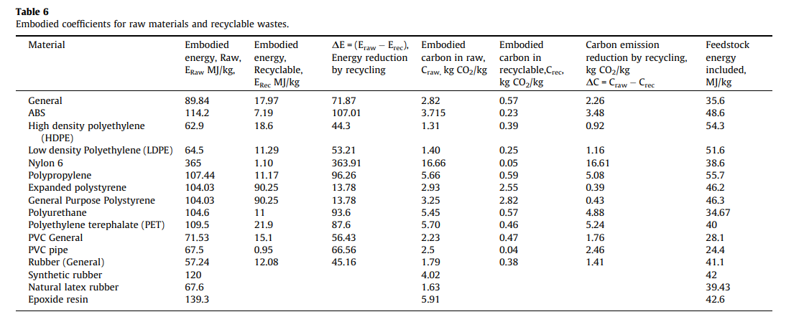
Heat Stabilizer | 6926.697889 | 247382.06746 | 127154.38268 | Colorant | 3542.6491194 | 70852.982389 | 37197.815754
Organic Pigment | 9.8952826986 | 24738.206746 | 12374.051015 | Organic Pigment | 14.170596478 | 35426.491194 | 17720.330895

Polyvinyl Chloride (PVC) |  |  |  | Polylactic Acid (PLA)
Common Additives | Calculated Additve Mass in HDPE (tons) |  |  | Common Additives | Calculated Additve Mass in PLA (tons)
 | Low | High | Avg |  | Low | High | Avg
Polymer | 128226.93478 | 15204.946586 | 71715.940684 | Polymer | 11442.187763 | -9619.4560031 | 911.36588004
Plasticizer | 14480.90151 | 101366.31057 | 57923.60604 | Plasticizer | 1551.5251618 | 10860.676133 | 6206.1006472
Antioxidant | 724.04507551 | 4344.270453 | 2534.1577643 | Heat Stabilizer | 77.57625809 | 465.45754854 | 271.51690331
Slip Agent | 144.8090151 | 4344.270453 | 2244.5397341 | Fillers | 0.15515251618 | 7757.625809 | 3878.8904808
Heat Stabilizer | 724.04507551 | 4344.270453 | 2534.1577643 | Reinforement | 2327.2877427 | 4654.5754854 | 3490.931614
Lubricants | 144.8090151 | 4344.270453 | 2244.5397341 | Biocide | 0.15515251618 | 155.15251618 | 77.653834348
Colorant | 362.02253775 | 7240.4507551 | 3801.2366464 | Antioxidant | 77.57625809 | 465.45754854 | 271.51690331
Organic Pigment | 1.448090151 | 3620.2253775 | 1810.8367338 | Colorant | 38.788129045 | 775.7625809 | 407.27535497

Polypropylene (PP) |  |  |  | (NEGATIVE MASS for upper limit) - A modified calculation was done where additive content was reduced by 50% all around
Common Additives | Calculated Additve Mass in PP (tons) |  |  | Other Resin
 | Low | High | Avg | Common Additives | Calculated Additve Mass in Other (tons)
Polymer | 1371014.5184 | 886417.35544 | 1128715.9369 |  | Low | High | Avg
Antioxidant | 6981.8632281 | 41891.179369 | 24436.521298 | Polymer | 376584.63575 | -694154.08131 | -158784.72278
Slip Agent | 1396.3726456 | 41891.179369 | 21643.776007 | Plasticizer | 52579.463816 | 368056.24672 | 210317.85527
UV Stabilizer | 6981.8632281 | 41891.179369 | 24436.521298 | Antioxidant | 2628.9731908 | 15773.839145 | 9201.4061679
Flame Retardant | 9774.6085193 | 349093.1614 | 179433.88496 | UV Stabilizer | 2628.9731908 | 15773.839145 | 9201.4061679
Clarifier/Toner | 209.45589684 | 279.27452912 | 244.36521298 | Colorant | 1314.4865954 | 26289.731908 | 13802.109252
Organic Pigment | 13.963726456 | 34909.31614 | 17461.639933 | Flame Retardant | 3680.5624672 | 131448.65954 | 67564.611004
 |  |  |  | Curing agent | 525.79463816 | 10515.892763 | 5520.8437007
 |  |  |  | Blowing agent | 2628.9731908 | 107787.90082 | 55208.437007
 |  |  |  | Biocides | 5.2579463816 | 5257.9463816 | 2631.602164
 |  |  |  | Clarifier/Toner | 78.869195725 | 105.15892763 | 92.014061679
 |  |  |  | Inorganic Pigment | 52.579463816 | 52579.463816 | 26316.02164
 |  |  |  | Heat Stabilizer | 2628.9731908 | 15773.839145 | 9201.4061679
Polystyrene (PS) |  |  |  | Organic Pigment | 5.2579463816 | 13144.865954 | 6575.0619503
Common Additives | Calculated Additve Mass in PS (tons) |  |  | Fillers | 5.2579463816 | 262897.31908 | 131451.28851
 | Low | High | Avg | Reinforcements | 78869.195725 | 157738.39145 | 118303.79359
Polymer | 380554.23011 | 318579.83322 | 349567.03167 | Lubricants | 525.79463816 | 15773.839145 | 8149.8168916
Antioxidant | 1930.786868 | 11584.721208 | 6757.7540381 | Slip Agent | 525.79463816 | 15773.839145 | 8149.8168916
Slip Agent | 386.1573736 | 11584.721208 | 5985.4392908 | Antistatic | 525.79463816 | 5257.9463816 | 2891.8705099
UV Stabilizer | 1930.786868 | 11584.721208 | 6757.7540381 | (NEGATIVE MASS for upper limit) - A modified calculation was done where additive content was reduced by 50% all around
Antistatic | 386.1573736 | 3861.573736 | 2123.8655548
Colorant | 965.39343401 | 19307.86868 | 10136.631057
Organic Pigment | 3.861573736 | 9653.9343401 | 4828.8979569

